WRITE
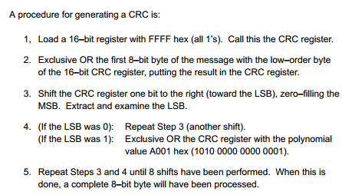
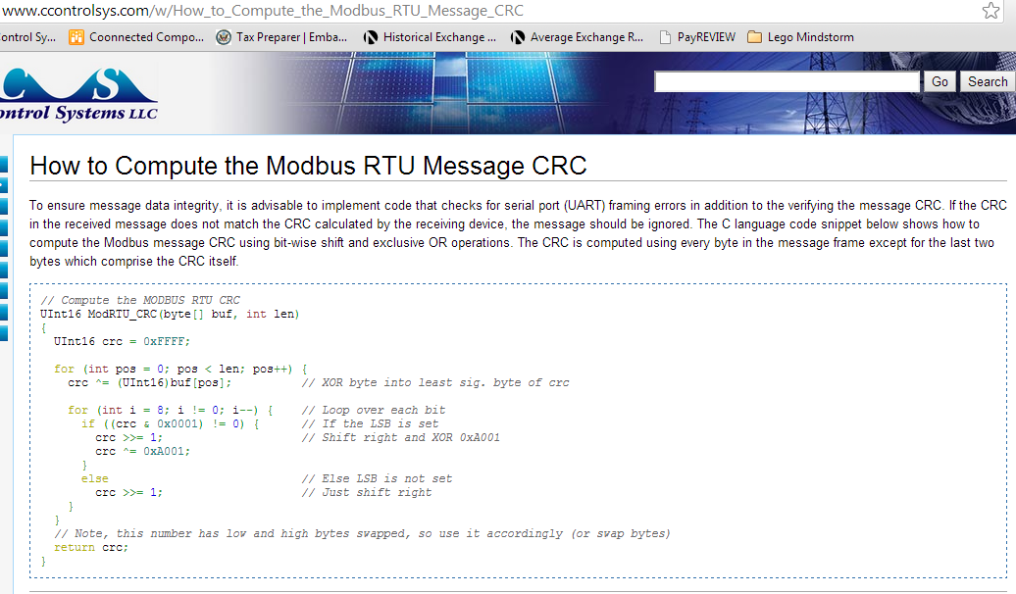
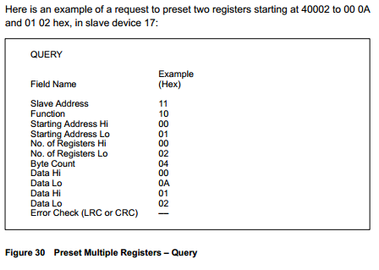
WRITE | HEX
Target Address | 02
Command Function | 10 | write registers 4xxxx
Address HI | 00
Address LO | 00 | equal to 40001
No. of Registers HI | 00
No. of Registers LO | 32 | 50 words
Byte count | 64 | 50 x 2
Data HI | 00
Data LO | 20 | 32 decimal data
…
CRC LO | 15
CRC HI | 85

WRITE REPLY | HEX
Target Address | 02
Command Function | 10
Address HI | 00
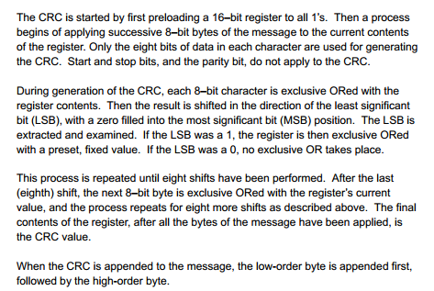
Address LO | 00
No. of Registers HI | 00
No. of Registers LO | 32
CRC LO | 41
CRC HI | EF

READ
